Definitions
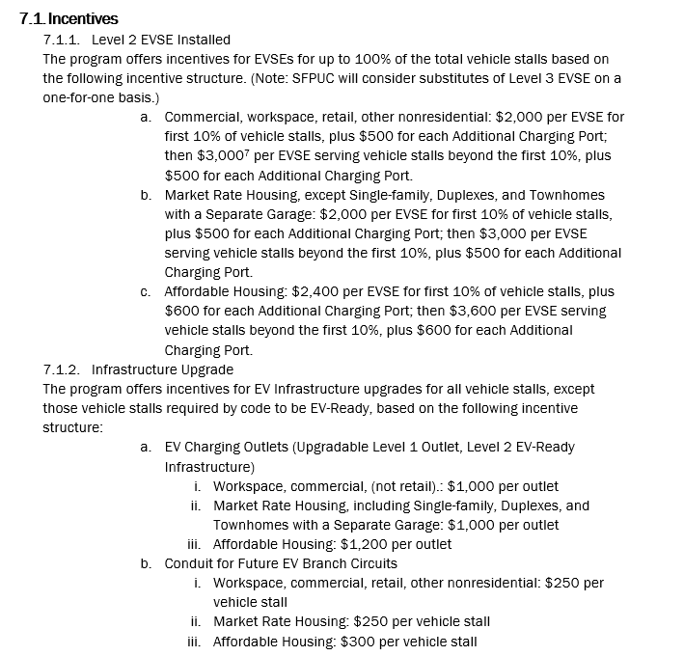
From EV Charge SF Program Handbook

Basic EV Action Plan Text

 |  | Your Project Here: EV Action Plan
 |  |  | First Steps and Future Vision for EV Charging

Overview
The project's near-term EV Charging plan is to provide 11 vehicle stalls with Level 2 EV charging, and 10 vehicle stalls with EV Charging Outlets.
The project plans to run conduit to 5 additional vehicle stalls (to reduce future infrastructure costs).
The project has [Inputs required] an EVSE vendor for the project.
The project [Inputs required] to earn LEED points for EV Charging on site.
In future, the site expects to have approximately [Inputs required] vehicle stalls with Level 2 EV charging,
and [Inputs required] stalls with EV Charging Outlets.

Demand Profile
Demand for EV charging at this site is expected to be [Inputs required] in the near-term and [Inputs required] in the longer term.
The building’s users, and users of site parking, are expected to be [Inputs required]
Considering these and other factors, the buildings general strategy for EV Charger development is:
 | - During construction, [Inputs required]
 | - After the completion of construction, [Inputs required]

Key Stakeholders
The project’s EV charging investment strategy for vehicle stalls during the building design phase has been the responsibility of:
 | [Inputs required]
During the building's operations phase, the EV Charging investment strategy is expected to be driven by: [Inputs required]
Representatives of the building operations team [Inputs required] provided input to this EV Action Plan.

Code Requirements
The project will [Inputs required]

 | Code Requirements
 | Project's Total Vehicle Stalls (Code requirements are based on this #) |  |  | 100
 | 20% of Vehicle stalls (used by EV Ordinance to calculate required electrical capacity [amps]) |  |  | 20
 | EV-Ready Code required EV-dedicated electrical service capacity (Amperage) |  |  | 800
 | EV-Ready Code required # of vehicle stalls with EV Ready Circuits (Amps, Breaker, Wiring, Conduit) |  |  | 10
 | EV-Ready Code required # of additional 40-amp circuit breaker spaces in electrical panels |  |  | 10

Incentive Summary
 | Planned Incentives |  |  | Quantity | Incentive ($)
 | Level 2 EV Chargers (EVSE) Installed (Code minimum: 0) |  |  | 11 | $27,600
 | Additional Charger Ports (Code minimum: 0) |  |  | 2 | $1,200
 | EV Charging Outlets (Code minimum: 0; excludes code-required circuits) |  |  | 10 | $12,000
 | Conduit for Future EV Branch Circuits (Code minimum: 0) |  |  | 5 | $1,500
 | Total Vehicle Stalls with EV Charging or EV-Conduit and Percent of Total Vehicle Stalls |  |  | 28 | 28%

Electrical Considerations
The building's code-required EV Charging electrical capacity is 800 amps, which is enough to power Level 2 EV Chargers in 20 vehicle stalls.
Alternatively, this amount of capacity could run Low Power (20A) EV Outlets for 40 vehicle stalls, or at least 40 stalls through 'circuit-sharing.'
Through a network-based Automatic Load Management System, this capacity could be stretched to to eventually serve 100% of vehicle stalls.
At this time, the site [Inputs required] plan to employ load management strategies, and [Inputs required] plan to add electrical capacity to
expand EV charging in the future.

Operational Considerations
In the future, the EV Charging stations are expected to be owned by: [Inputs required]
The site's approach to Networking for Level 2 EV Charging stations is expected to use [Inputs required]
In the future, management of EV charger maintenance and billing for the EV Charging stations will be by: [Inputs required]
The electricity supply to EV Charging stations will be [Inputs required] from the rest of the building loads.

Customer and Payment Information
The plan for the project is that the [Inputs Required] will pay for the electricity (kWh and kW) for the EV Charging stations.
The project [Inputs required] charge drivers for using the EVSE.
The drivers [Inputs required] pay a fee which includes annual networking costs and maintenance of the EVSE.

EV Charging Station Vendor
At this time, the project's planned EV equipment vendor is not yet determined and the EVSE model planned is not yet determined.
The reason for this selections is [no reason given]

Attachment: Electrical Drawing
The electrical drawing(s) attached include:
 | [not yet] | Single line drawing
 | [not yet] | Map of electrical room and conduit exits
 | [not yet] | Manufacturer of the electrical panels(s), if known, is noted
 | [not yet] | Nameplate rating of panel (Voltage, Amps and Phase and Spaces) is noted
 | [not yet] | Notes whether an electrical panel is used exclusively to power EV load and breakers
 | [not yet] | Notes whether EV load served with a separate utility meter

Attachment: Parking Map
The Parking Map for the property, attached, includes:
 | [not yet] | Parking designations, e.g., assigned tenant parking, employee parking, etc.
 | [not yet] | Vehicle stalls identified with EV charging capability
 | [not yet] | Note for the approximate distance from the utility panel to the farthest vehicle stall

